David
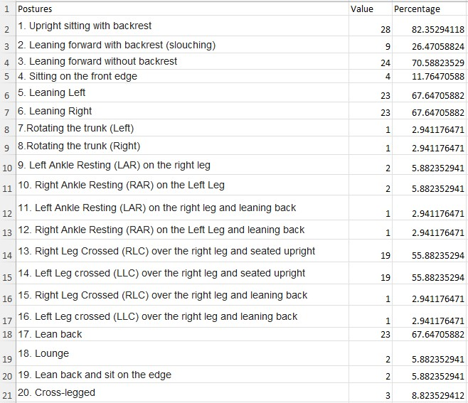

83 | 1
27 | 8

71 | 2
12 | 9
68 | 3
68 | 4
3

3
6 | 11

6 | 12
3

3
56 | 6

56 | 7
3 | 15

3 | 16
68 | 5

6 | 13
6 | 14
9 | 10

3%
33 |  | Popularity

 | Total

0.03 | 0.97

6%
33 |  | Popularity

 | Total

0.06 | 0.94

9%
33 |  | Popularity

 | Total

0.09 | 0.91

12%
33 |  | Popularity

 | Total

0.12 | 0.88

27%
33 |  | Popularity

 | Total

0.27 | 0.73

56%
33 |  | Popularity

 | Total

0.56 | 0.44

68%
33 |  | Popularity

 | Total

0.68 | 0.32

71%
33 |  | Popularity

 | Total

0.71 | 0.29

83%
33 |  | Popularity

 | Total

0.83 | 0.17

